ROI #1
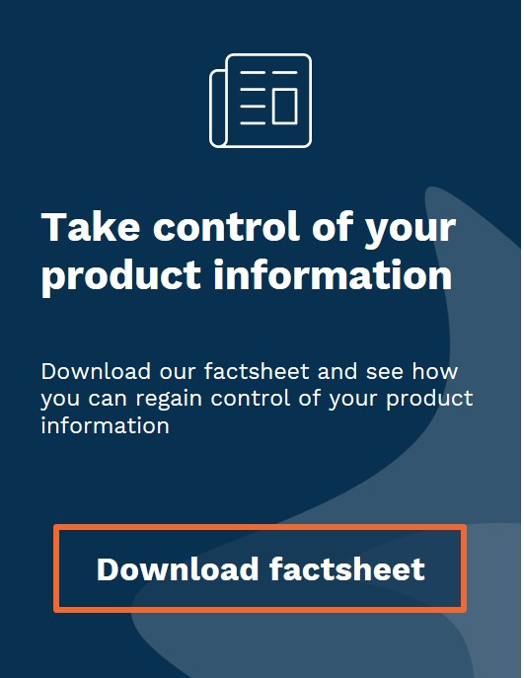
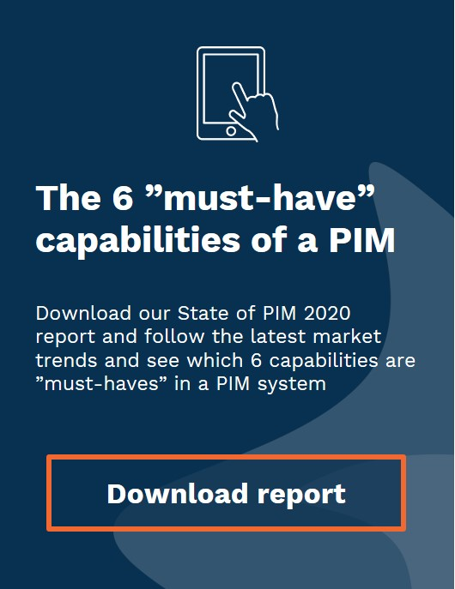

Calculate your Return of Investment for a PIM system
Instructions:
The ROI calculator is based on one of the most common cost drivers of Ecommerce; Maintaining your product data.
Variables: Change the variable fields (yellow fields) to match your company specific numbers and see your results in the calculated fields (green).
Business Drivers:
Implementing a PIM gives approximately a 10% increase in revenue via your Ecommerce and it also enables you to sell through new online sales channels.
 | variables | calculated values

# of SKU's and attributes/fields | Manual entry | Using PIM
Number of SKU's | 10,000 | 10,000
Attributes per SKU | 70 | 70
Number of field values to handle | 700,000 | 700,000

# of languages that influence on updates
Individual attributes per language (per SKU) | 70 | 30
Number of additional languages | 3 | 3
Additional # of fields to handle | 1,400,000 | 600,000

Total # of fields to handle
 | 2,100,000 | 1,300,000
SKU maintenance
SKU updates per year ( % ) | 33% | 33%
# of values to update | 693,000 | 429,000

Product update cost
Cost of editors to enrichs products (per hour) | 50.00 € | 50.00 €
# of updated attribute-values per minutes | 12 | 24
Required time to update values (hour) | 962.50 | 297.92
Total cost of update | 48,125 € | 14,895.83 €

Self-service portal "Digital warehouse" saves
# hours spent per day, serve materials to partners | 0.5
Additional cost for handling digital materials (with 220 workdays) | 5,500 € | 0 €

Total cost
 | 53,625 € | 14,896 €
Business drivers to consider
Higher ecommerce conversions (from 1% to 1,1%) |  | 10%
Insert yearly ecommerce revenue |  | 1,000,000.00 €
Improved profit with 20% contribution margin |  | 20,000.00 €

Increased revenue from more channels |  | 100,000.00 €
Profit with contribution margin (20%) |  | 20,000.00 €

Total ROI
Savings with PIM |  | 38,729 €
Increased revenue |  | 40,000 €

Your total business case |  | 78,729 €

